Transfer
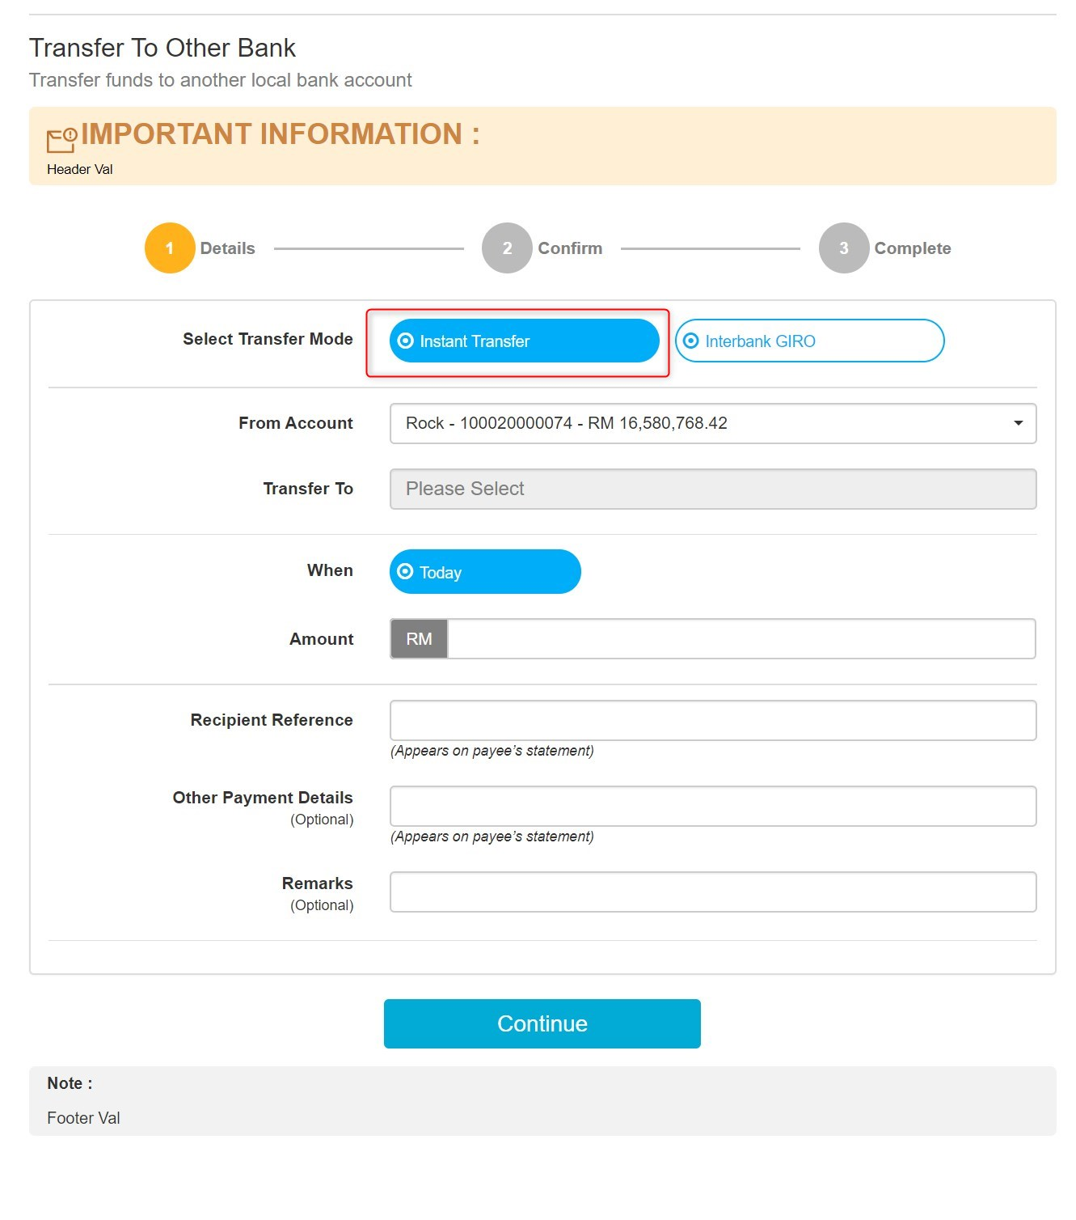

Revert 'Instant Transfer' as it is in original design, every single details remain unchanged

Manage Transfer
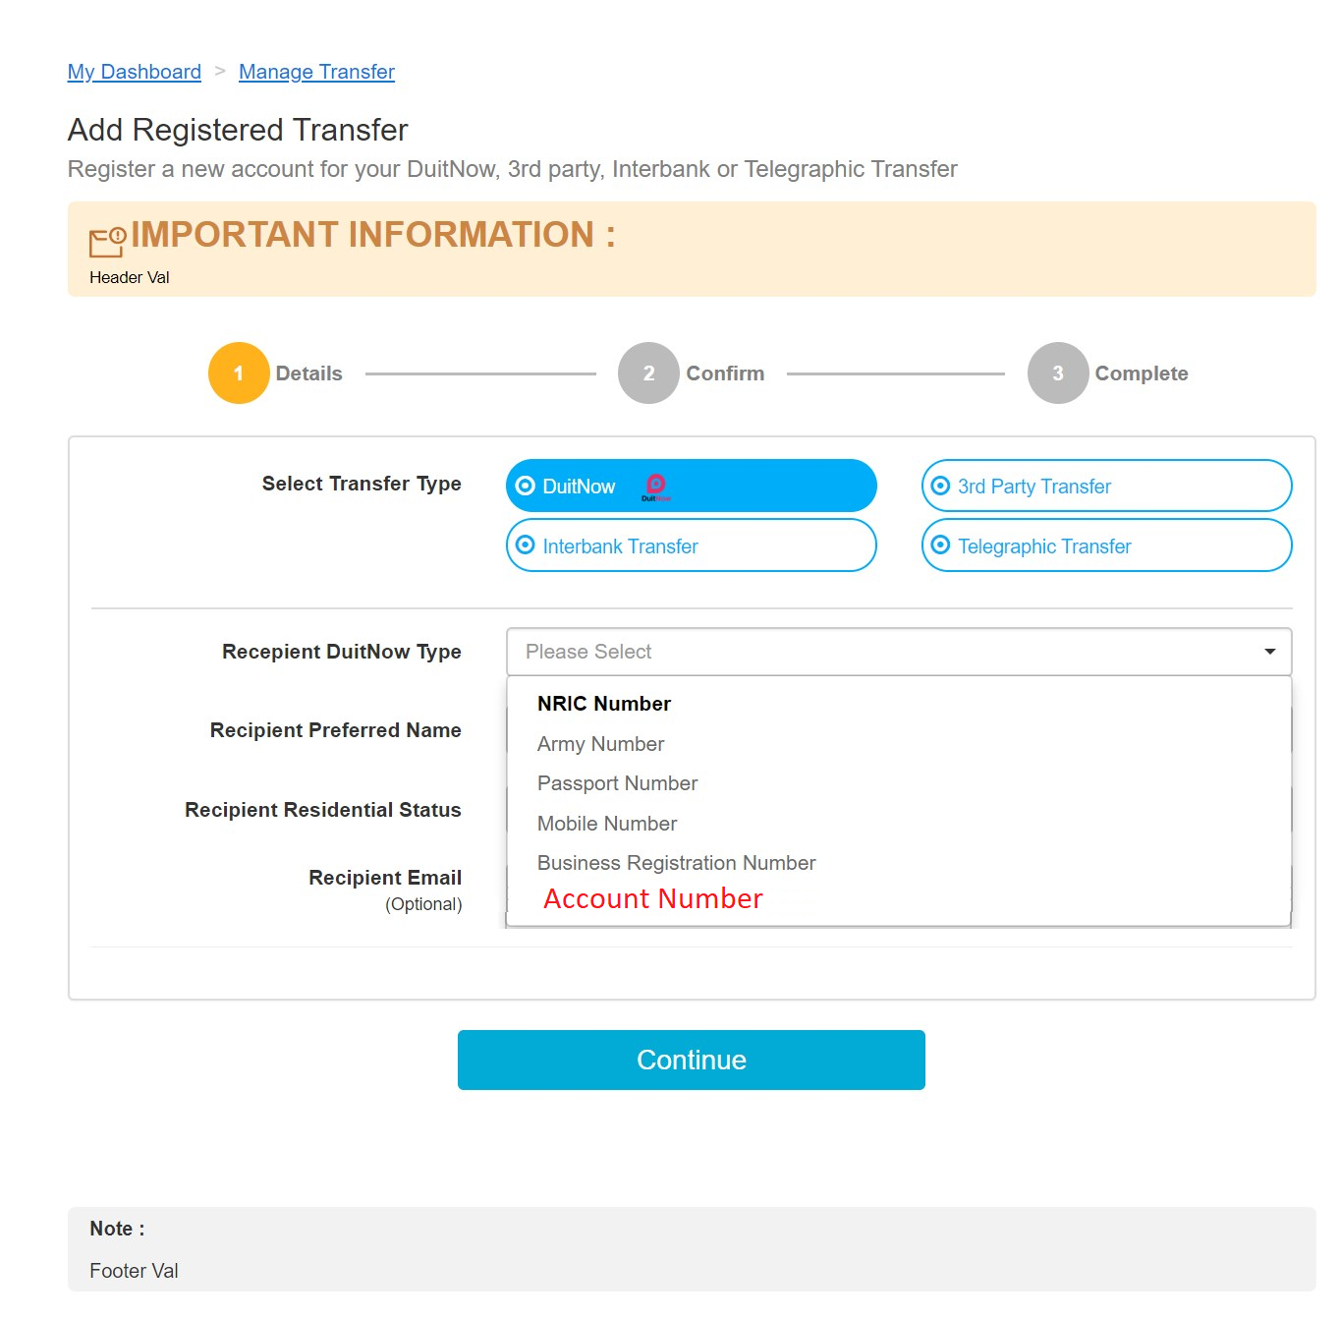

Add new Recipient DuitNow Type, 'Account Number'

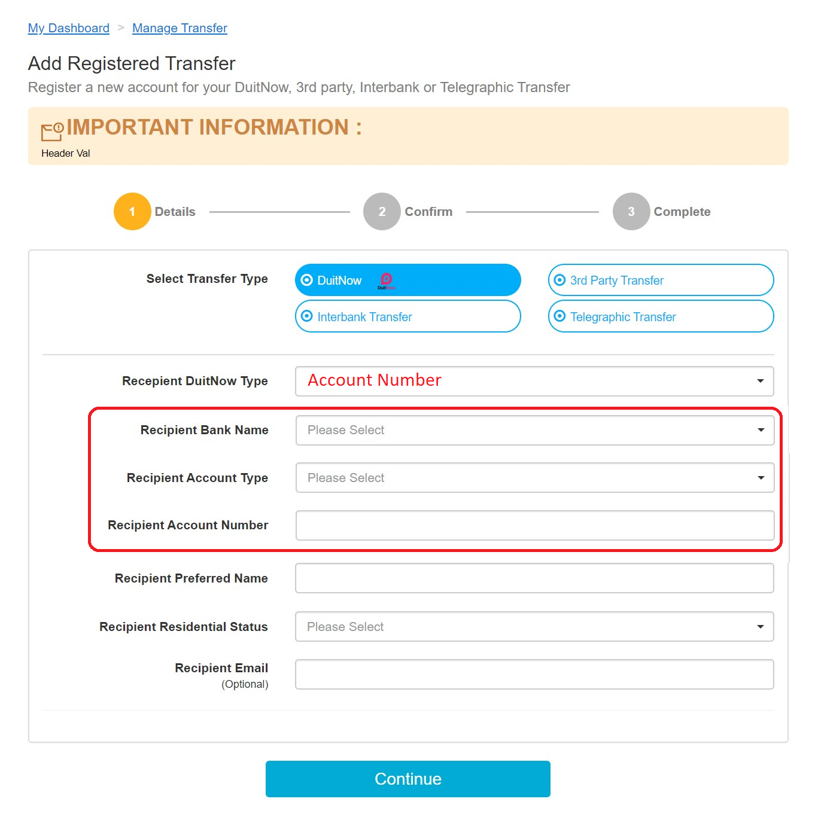

In Entry/Confirm/Result screen, additional fields required

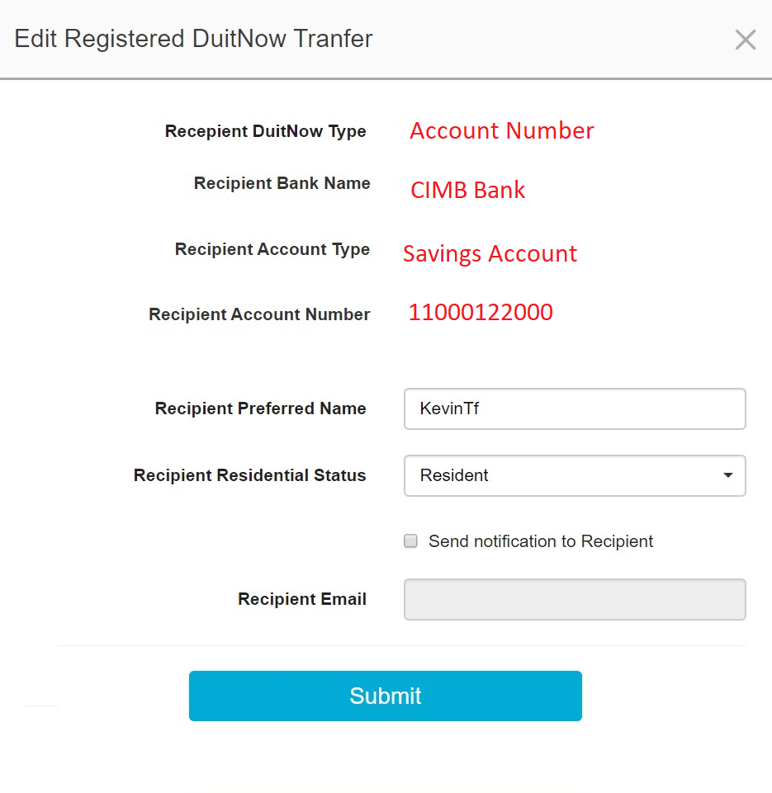

In Edit Registered DuitNow Transfer, additional fields when Recipient DuitNow Type is 'Account Number'. Applies to Confirm and Delete screen

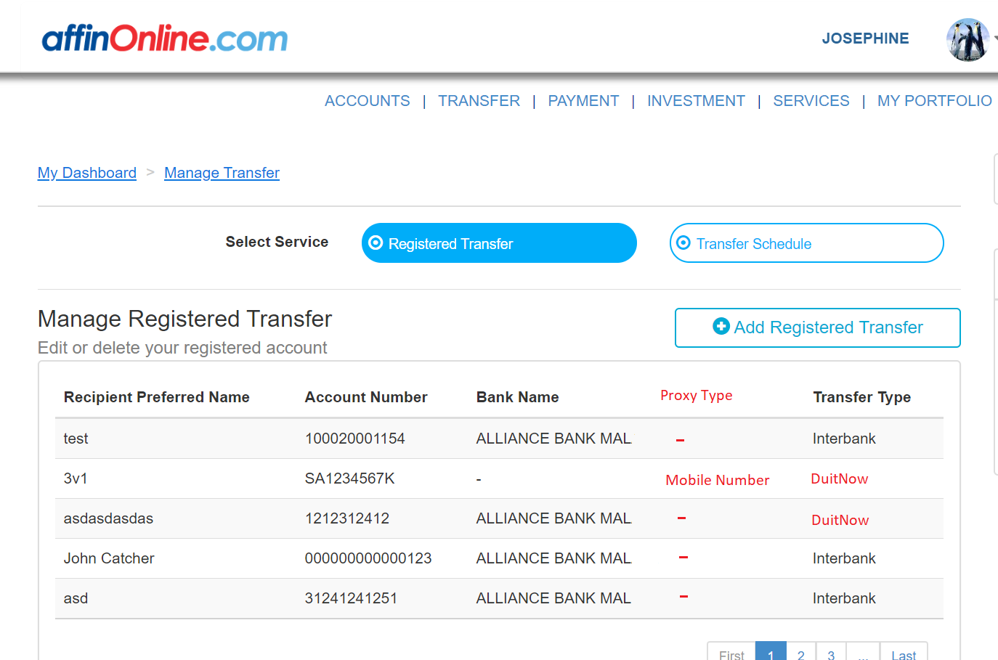

Add in new column 'Proxy Type' Available value are 'Mobile Number', 'NRIC Number', 'Passport Number', 'Army ID/Police Number', 'Business Registration Number' depending on registered DuitNow type

Registered Transfer under any proxy type (Pay to Proxy) and account number (Pay to Account) will be display as 'DuitNow' in Transfer Type

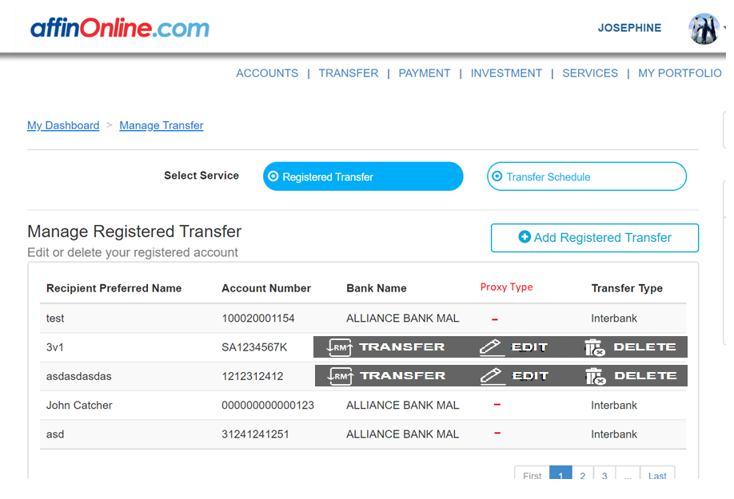

Registered Transfer Listing Hover Screen, when Transfer Type is 'DuitNow' and Proxy Type ='Mobile Number/NRIC Number/Passport Number/Army ID Number/Bussiness Registration Number', 'Transfer' button redirect to 'DuitNow > Pay To Proxy'

Registered Transfer Listing Hover Screen, when Transfer Type is 'DuitNow' and Proxy Type ='-' (Account Number), 'Transfer' button redirect to 'DuitNow > Pay To Account'

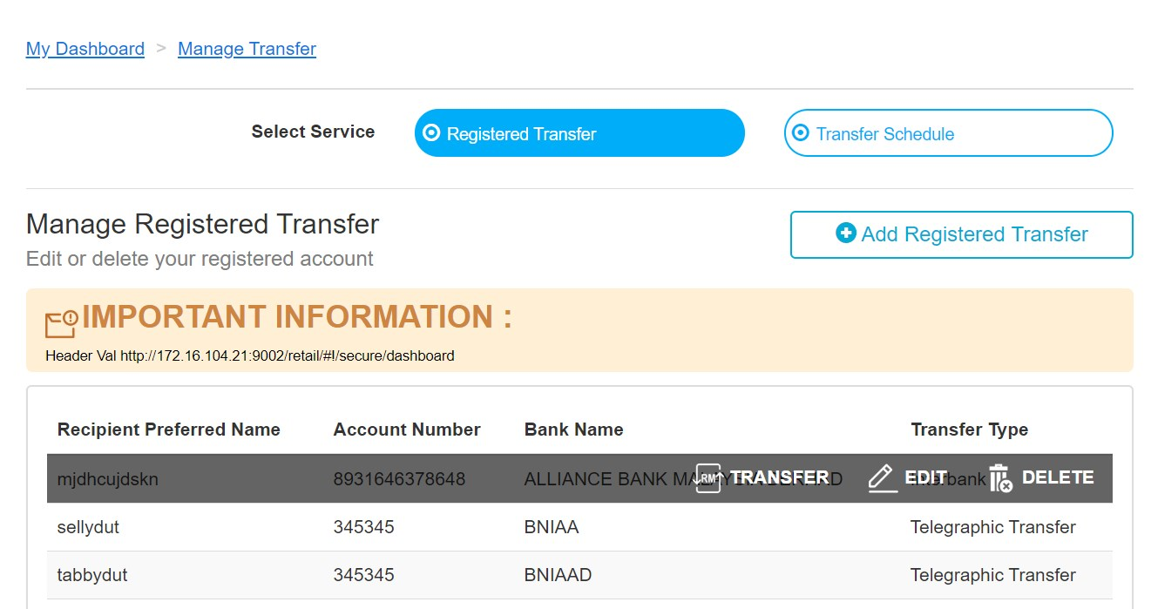

Registered Transfer Listing Hover Screen, when Transfer Type is 'Interbank', 'Transfer' button redirect to 'Fund Transfer > Transfer To Other Bank'

DuitNow Menu
